GUIDE
Single Departmental Plans, 2018/19 - with Brexit analysis
When did the IfG publish this dataset? | 2018-06-01
What period does it cover? | 2018-2019
What is the original data source? | The Government's Single Departmental Plans, updated May 2018
Link to original data | https://www.gov.uk/government/collections/a-country-that-works-for-everyone-the-governments-plan
When was the original data last updated? | 23/05/2018
How often is it updated? | New Single Departmental Plans are supposed to be released annually.
Who is this data set provided by? | Institute for Government
Available at | https://www.instituteforgovernment.org.uk/blog/missed-chance-reassure-whitehall-has-brexit-covered
Queries? Comments? Contact us: | brexit@instituteforgovernment.org.uk

Rights Statement
Adapted from public sector information licensed under the Open Government Licence v3.0.

More information about this dataset
What it contains | The text of the Government's 2018/19 Single Departmental Plans, copied across from the HTML versions online, with IfG analysis of how much of each plan relates to Brexit.
What we did with it | Labelled and numbered each section of text, and flagged if Brexit-related. Then conducted a rough calculation of the percentage of each department's plan that relates to Brexit. See below for more detail on our approach.
Issues, caveats and further comments | The names of the ministers and officials assigned to each objective are also included, although these are not used in the analysis.

Contents
Worksheet/CSV file | Contents and comment
Data | Table with the contents of the Single Departmental Plans. Guide to columns in the table: Dept - the intials of the department in question (see table below). GOV is used for the Government's overall plan. Type - whether the thing being recorded is an Objective ('Objective'), sub-objective ('Sub') or action ('Action') - see screenshot to the right to see what we mean by these. Number - the number given for the objective and sub-objective, and added by us (as e.g. 1.1.1) for actions - see screenshot to the right. Text - text copied and pasted for the Objective, Sub or Action Brexit - 'Y' if this objective / sub-objective / action relates to Brexit work. Lead minister 1, 2, 3... - the named minister(s) for each objective, copied and pasted for all sub-objectives and actions within that objective. A new column for each individual Lead official 1, 2, 3... - the named official(s) for each objective, copied and pasted for all sub-objectives and actions within that objective. A new column for each individual Notes - anything worth flagging. | 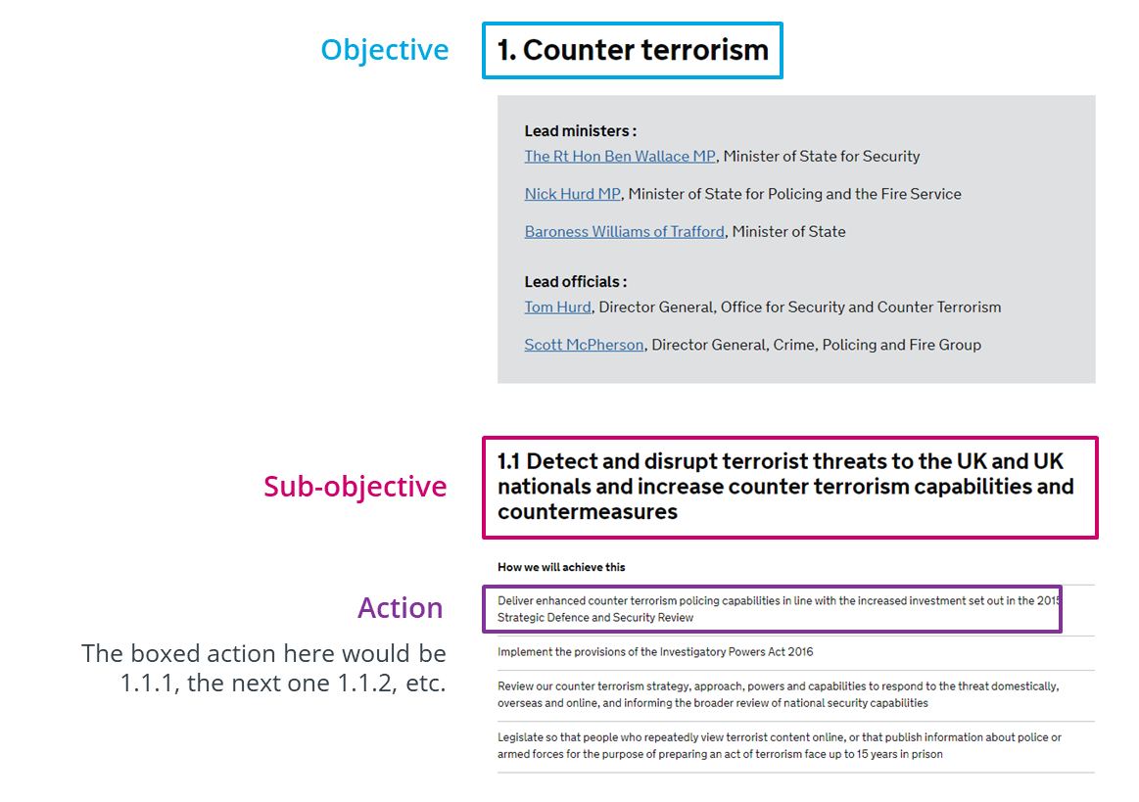
Analysis | Table pulling the number of objectives (Brexit, total), sub-objectives (Brexit, total) and actions for each department out of the data. Actions are broken down into: Brexit actions - the total number of actions in the given department's plan that are Brexit-focused. Standalone Brexit actions - the number of actions concerning Brexit that do not fall under Brexit objectives or sub-objectives in this department's plan. Total actions - the total number of actions in the plan. Actions not covered by Brexit objectives / subs - the total number of actions in the plan that do not fall under Brexit objectives or sub-objectives (including actions that are not about Brexit). We then estimate the percentage of each plan that is about Brexit. Approach: - if the plan has an objective which focuses on Brexit work, the 'initial score' is calculated as the number of Brexit objectives divided by the total number of objectives. - if the plan does not have a Brexit objective, but does have a Brexit sub-objective, the 'initial score' is calculated as the number of Brexit sub-objectives divided by the total number of sub-objectives. - if the plan only features Brexit in its actions, the 'initial score' is calculated as the number of Brexit actions divided by the total number of actions. - departments with Brexit objectives or sub-objectives are attributed an 'extra score' for any 'Standalone Brexit actions'. This score is calculated by dividing the number of standalone Brexit actions by the number of 'actions not covered by Brexit objectives / subs'. - the initial scores and extra scores are added together to give a final score.

What government organisations are included in this data set?
Initials | Department
BEIS | Department for Business, Energy & Industrial Strategy
CO | Cabinet Office
MHCLG | Ministry of Housing, Communities & Local Government
DCMS | Department for Culture, Media and Sport
DExEU | Department for Exiting the European Union
Defra | Department for Environment, Food & Rural Affairs
DfE | Department of Education
DfID | Department for International Development
DfT | Department for Transport
DHSC | Department of Health and Social Care
DWP | Department for Work and Pensions
FCO | Foreign and Commonwealth Office
HMRC | HM Revenue and Customs
HMT | HM Treasury
HO | Home Office
MoD | Ministry of Defence
MoJ | Ministry of Justice

